Script
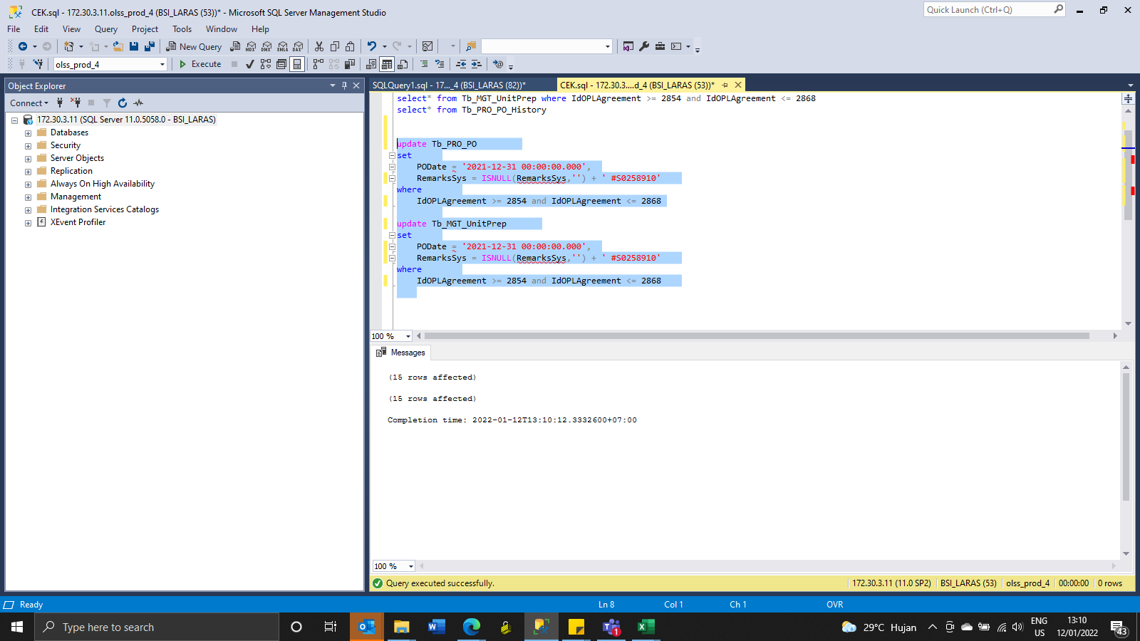
update Tb_PRO_PO
set
 | PODate = '2021-12-31 00:00:00.000',
 | RemarksSys = ISNULL(RemarksSys,'') + ' #S0258910'
where
 | IdOPLAgreement >= 2854 and IdOPLAgreement <= 2868

update Tb_MGT_UnitPrep
set
 | PODate = '2021-12-31 00:00:00.000',
 | RemarksSys = ISNULL(RemarksSys,'') + ' #S0258910'
where
 | IdOPLAgreement >= 2854 and IdOPLAgreement <= 2868

SS
BEFORE
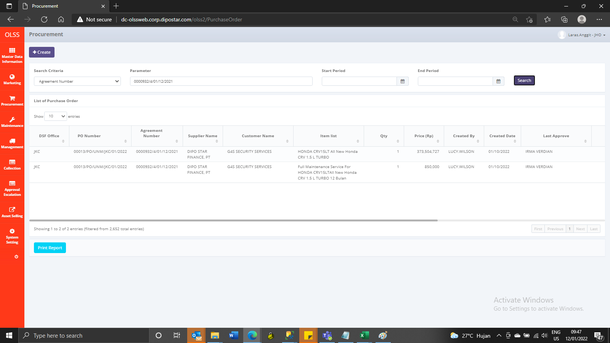

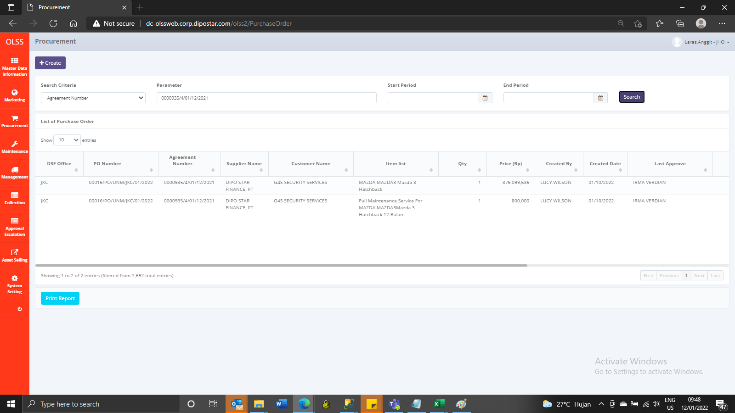

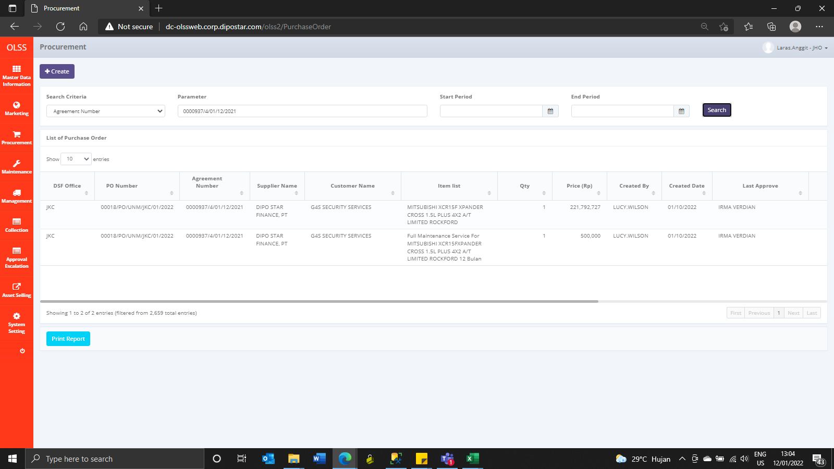
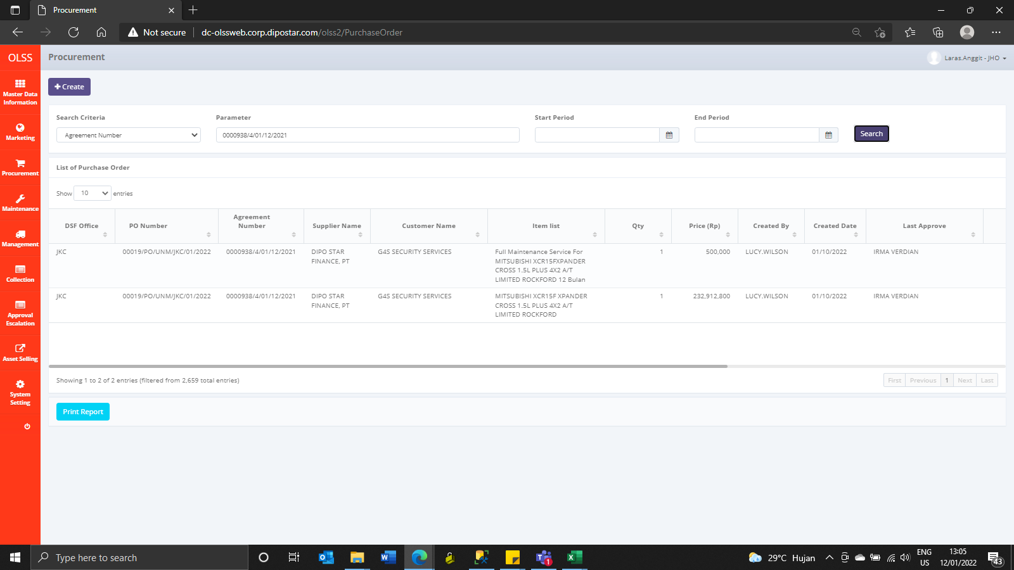

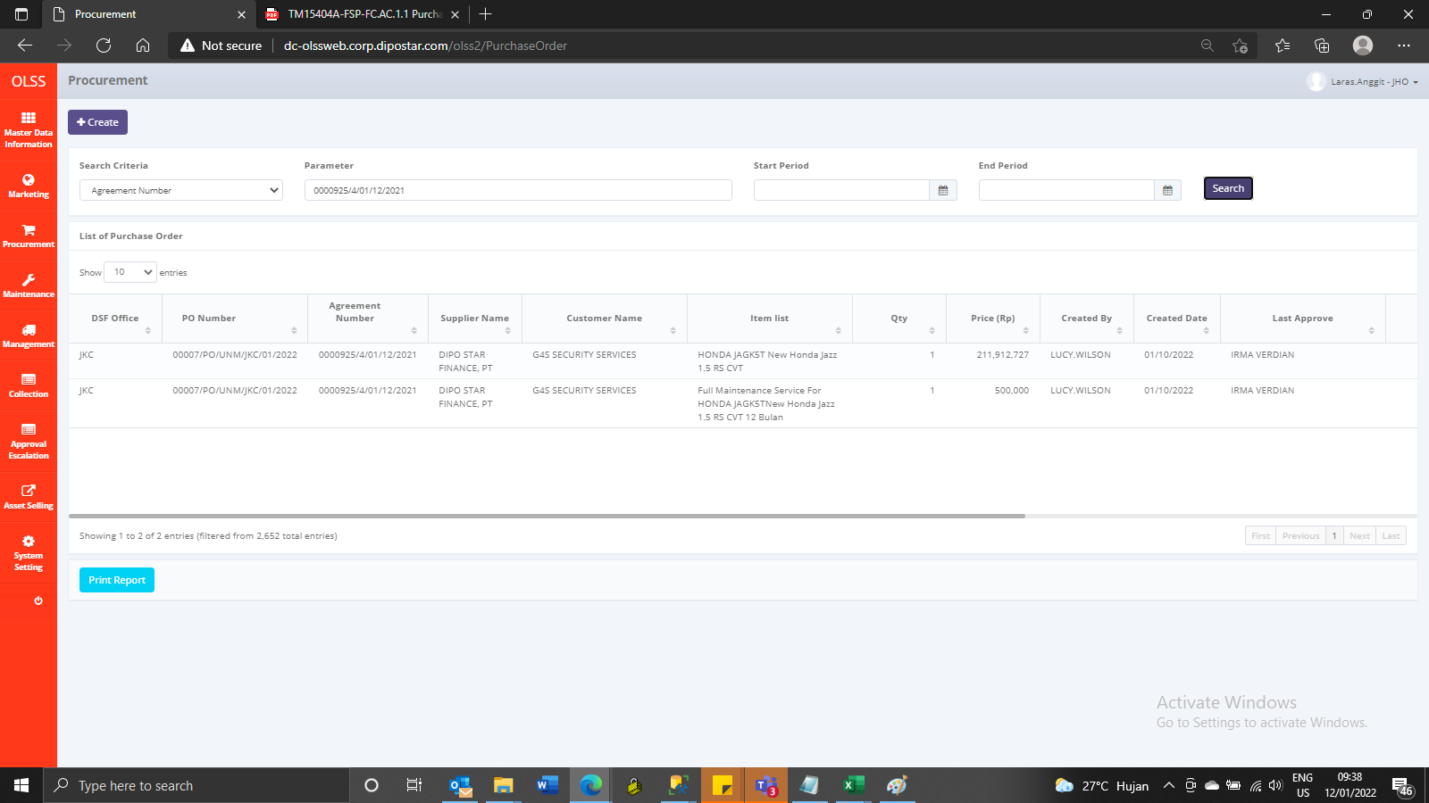


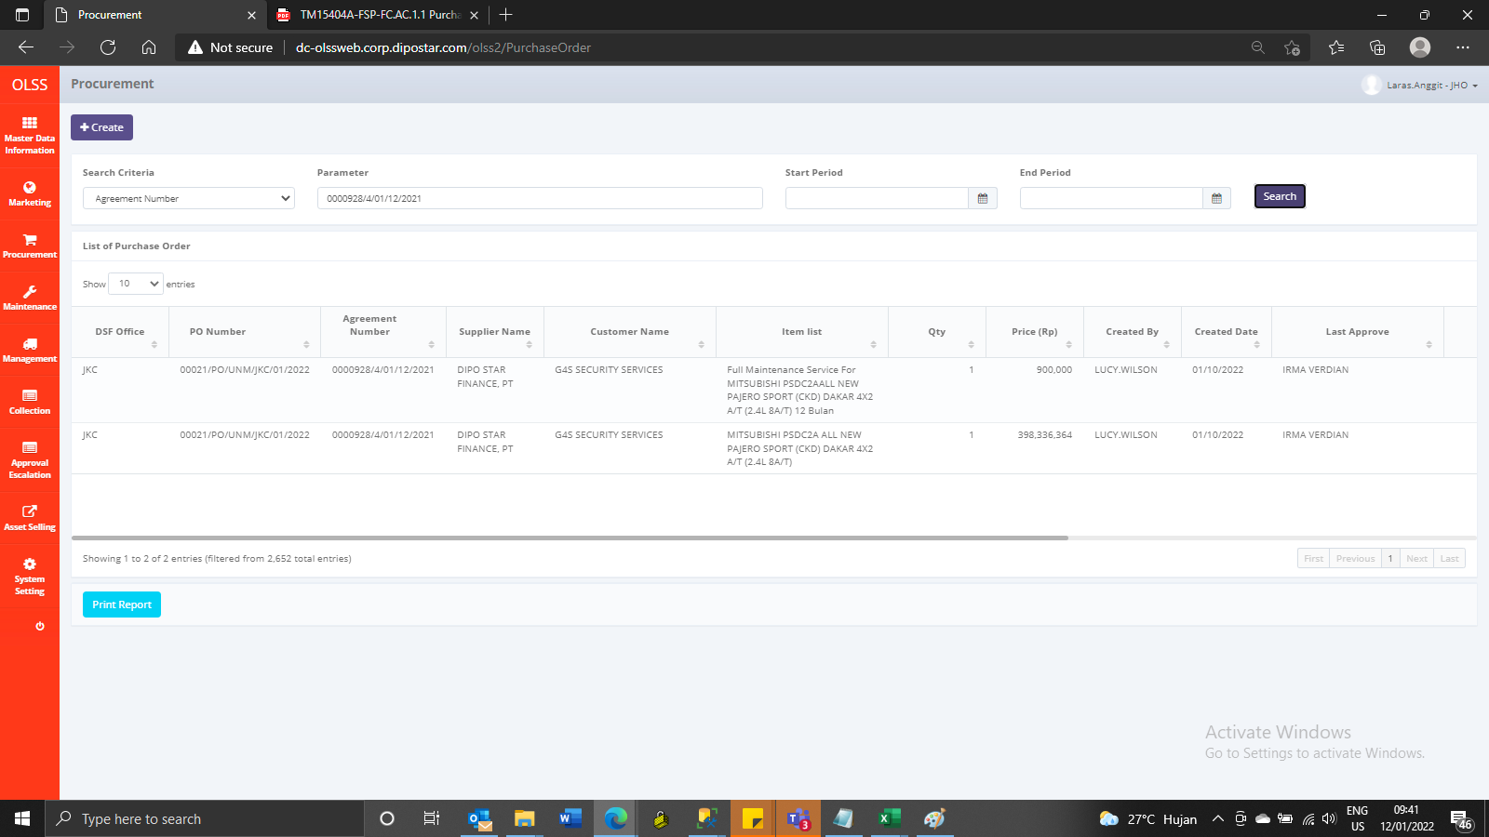
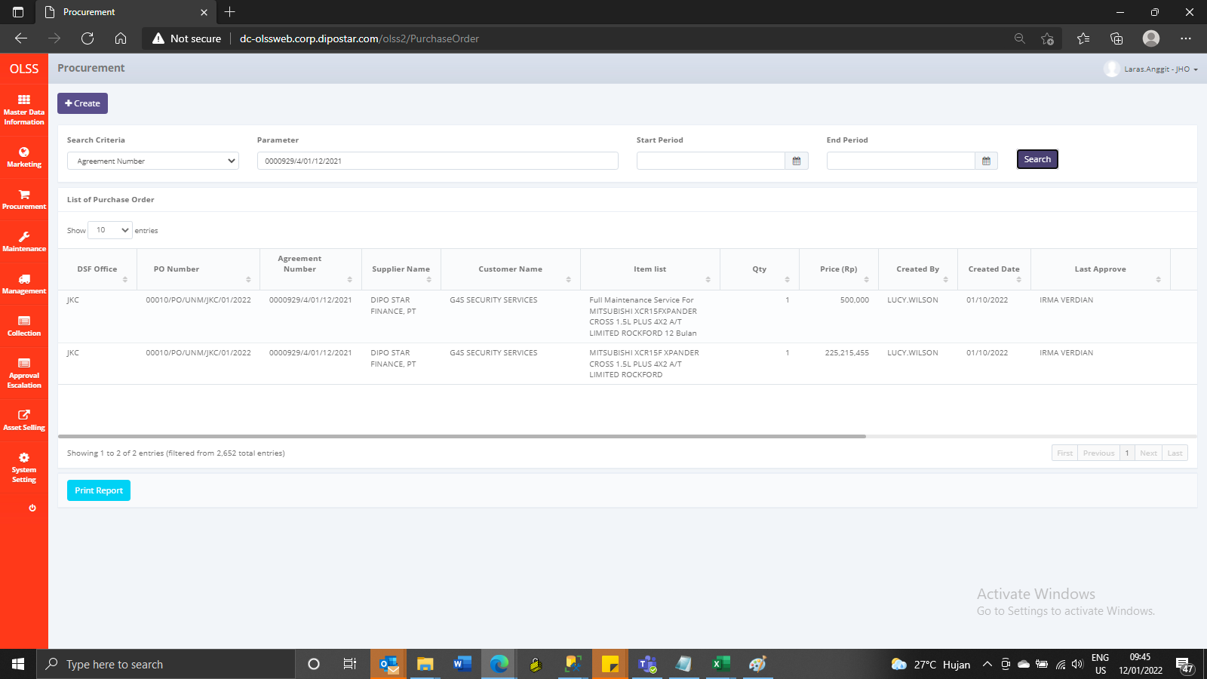




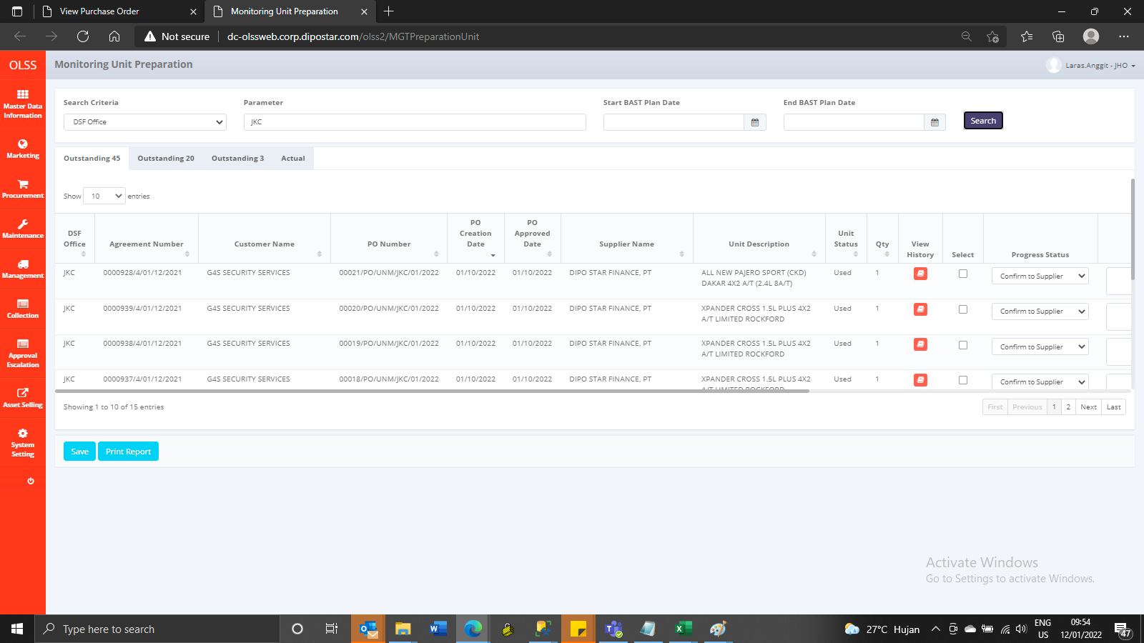
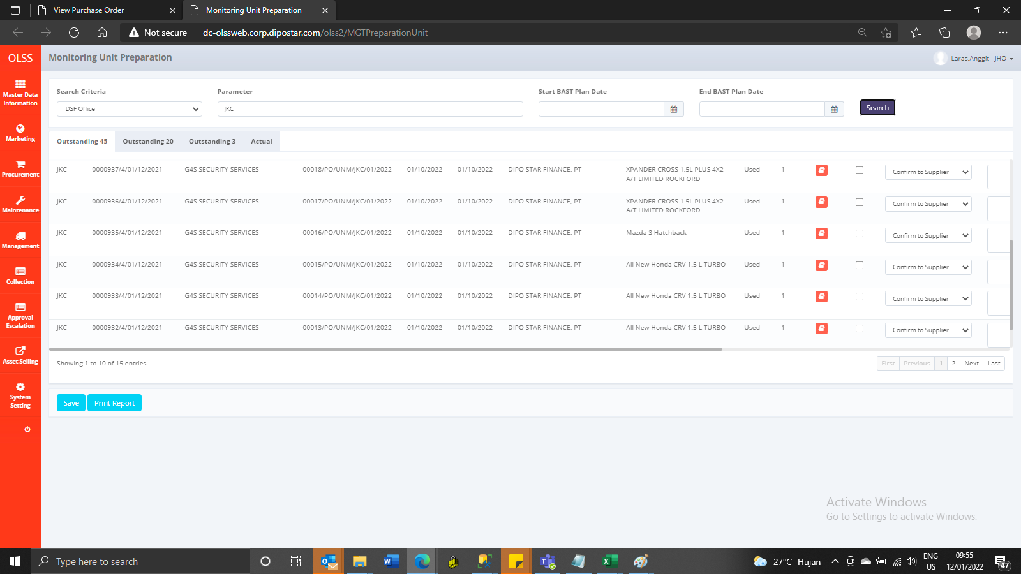

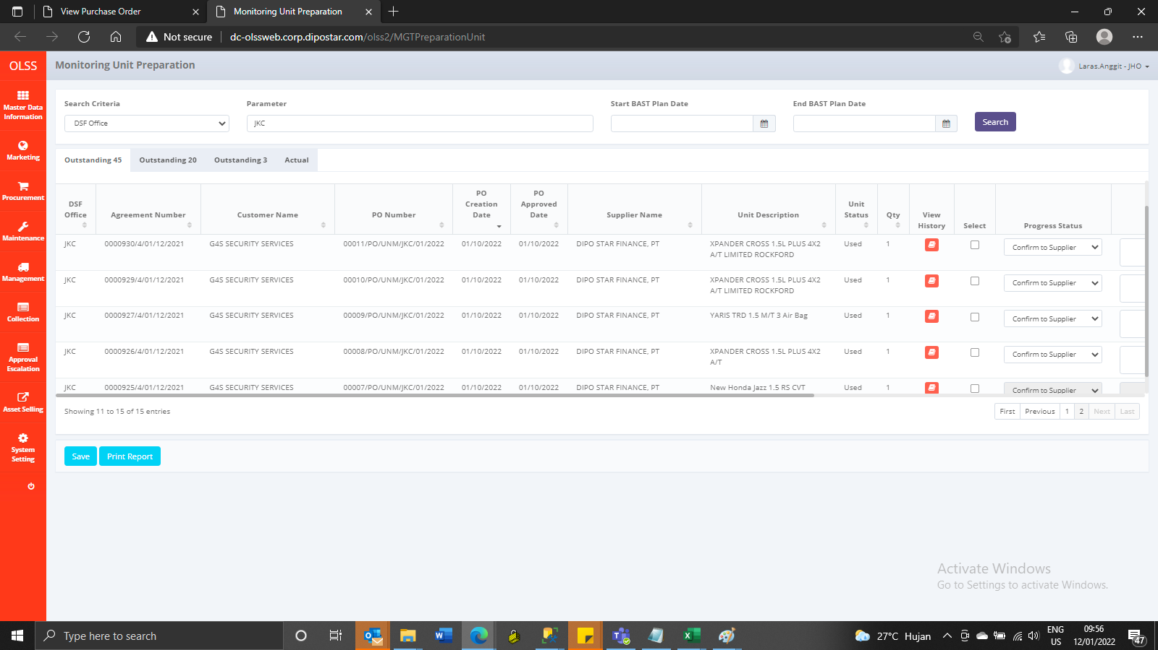

AFTER

